Sheet2
Sum of Sale_Price | Vehicle Category
Make | Coupe | Hatchback | Sedan | SUV | SVU | Truck | Grand Total
BMW | $199,800.00 |  | $459,400.00 |  |  |  | $659,200.00
Chevrolet |  |  | $80,700.00 | $140,800.00 |  |  | $221,500.00
Ford |  |  |  | $203,900.00 | $84,700.00 |  | $288,600.00
Honda |  |  | $138,400.00 |  |  |  | $138,400.00
Hyundai |  |  | $191,100.00 |  |  |  | $191,100.00
Jeep |  |  |  | $572,100.00 | $55,800.00 |  | $627,900.00
Nissan | $579,500.00 |  | $162,200.00 | $153,600.00 | $102,400.00 |  | $997,700.00
Tesla |  |  | $179,000.00 | $31,306.00 |  |  | $210,306.00
Toyota |  | $513,000.00 | $633,000.00 | $1,067,500.00 | $161,000.00 | $100,500.00 | $2,475,000.00
Grand Total | $779,300.00 | $513,000.00 | $1,843,800.00 | $2,169,206.00 | $403,900.00 | $100,500.00 | $5,809,706.00

'Sale_Price' by 'Make' and 'Market_Segment'
 | Coupe | Hatchback | Sedan | SUV | SVU | Truck
BMW | $199,800.00 |  | $459,400.00
Chevrolet |  |  | $80,700.00 | $140,800.00
Ford |  |  |  | $203,900.00 | $84,700.00
Honda |  |  | $138,400.00
Hyundai |  |  | $191,100.00
Jeep |  |  |  | $572,100.00 | $55,800.00
Nissan | $579,500.00 |  | $162,200.00 | $153,600.00 | $102,400.00
Tesla |  |  | $179,000.00 | $31,306.00
Toyota |  | $513,000.00 | $633,000.00 | $1,067,500.00 | $161,000.00 | $100,500.00

Summary and Charts
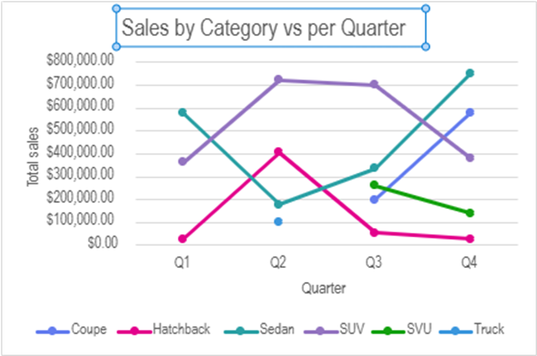
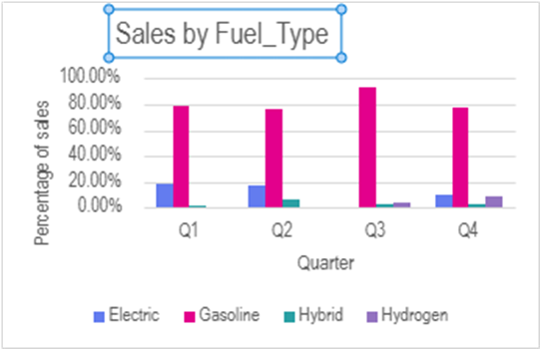
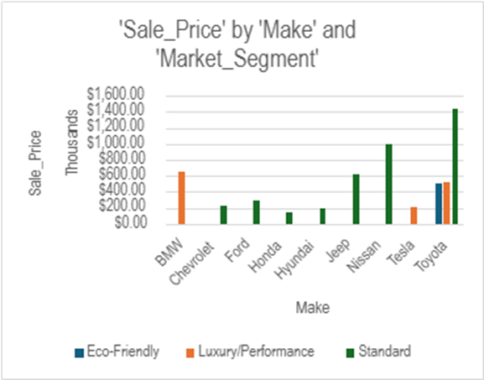
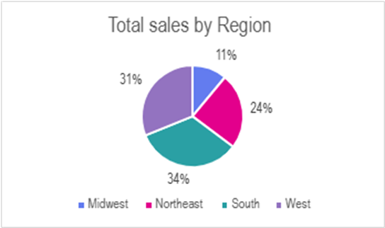
Market share by vehicle category
Vehicle Category | Sum of Sale_Price
Coupe | 779,300
Hatchback | 513,000
Sedan | 1,843,800
SUV | 2,169,206
SVU | 403,900
Truck | 100,500
Grand Total | 5,809,706

Total sales per month

Sales_Date_Month | Sum of Sale_Price
Jan | $73,500
Feb | $319,600
Mar | $575,200
Apr | $420,900
May | $396,706
Jun | $588,900
Jul | $877,700
Aug | $276,700
Sep | $399,700
Oct | $480,000
Nov | $423,200
Dec | $977,600
Total sales by Region
Grand Total | $5,809,706

Dealer_Region | Sum of Sale_Price
Midwest | $641,100
Northeast | $1,404,800
South | $1,957,400
West | $1,806,406
Grand Total | $5,809,706

Total Sales per quarter
Quarter | Sum of Sale_Price
Q1 | $968,300
Q2 | $1,406,506
Q3 | $1,554,100
Q4 | $1,880,800
Grand Total | $5,809,706

Sales by Make
Make | Average of Sale_Price
BMW | $82,400
Chevrolet | $31,643
Ford | $28,860
Honda | $27,680
Hyundai | $27,300
Jeep | $33,047
Nissan | $62,356
Tesla | $42,061
Toyota | $33,904
Grand Total | $38,731

Average selling price by Make | $41,028

Total sales by Model
Model | Sum of Sale_Price
7 Series | $179,800
8 Series | $199,800
Accent | $18,900
Accord | $89,400
Altima | $162,200
Armada | $256,000
Avalon | $39,500
Avenger | $195,300
Blazer | $140,800
Bolt | $80,700
Bronco | $77,800
Bronco Sport | $119,200
Camry | $140,000
C-HR | $26,500
Civic | $49,000
Commander | $68,700
Corolla | $112,500
EcoSport | $91,600
Elantra | $68,700
Elantra N | $103,500
FJ Cruiser | $31,500
Grand Cherokee | $363,900
GT-R | $579,500
Highlander | $650,400
M3 | $279,600
Mirai | $234,000
Model S | $179,000
Model Y | $31,306
Prius | $601,500
RAV4 | $427,400
Sequoia | $56,900
Tacoma | $100,500
Venza | $35,800
Yaris | $18,500
Grand Total | $5,809,706

Average selling price by Model | $170,874

Units Sold vs Average Prices
Make | Count of Sale_Price | Average of Sale_Price
BMW | 8 | $82,400
Chevrolet | 7 | $31,643
Ford | 10 | $28,860
Honda | 5 | $27,680
Hyundai | 7 | $27,300
Jeep | 19 | $33,047
Nissan | 16 | $62,356
Tesla | 5 | $42,061
Toyota | 73 | $33,904
Grand Total | 150 | $38,731

